Project Info
Project information. To be featured on the project description section |  |  | Example of layout

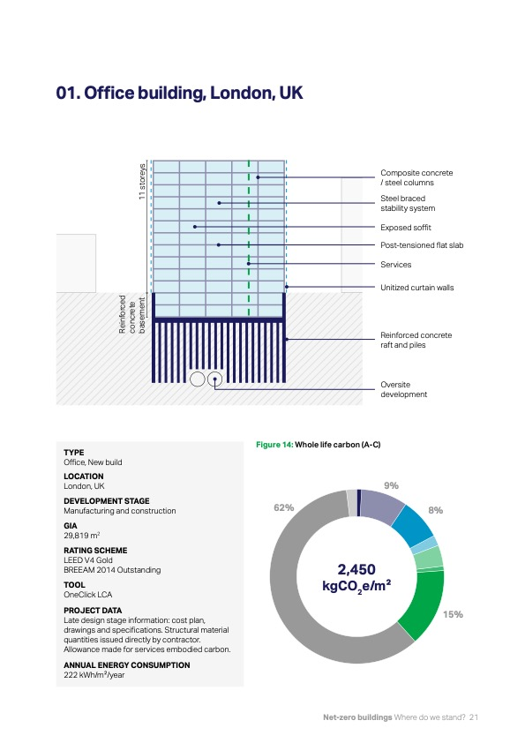
Building typology | Select
Location
Surface |  | [m2] GIA
Description

Primary energy consumption |  | [kWh/m2/yr]
WLC analysis conducted by
Additional information

Paste sketch or pictures below

WLCA
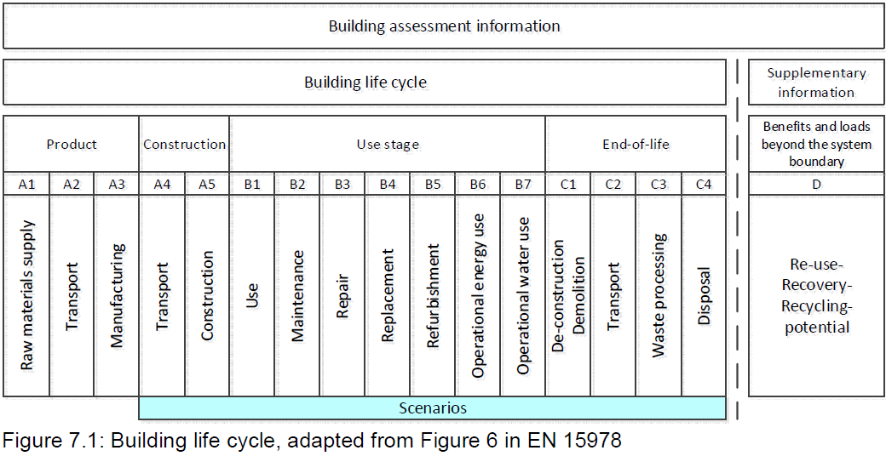
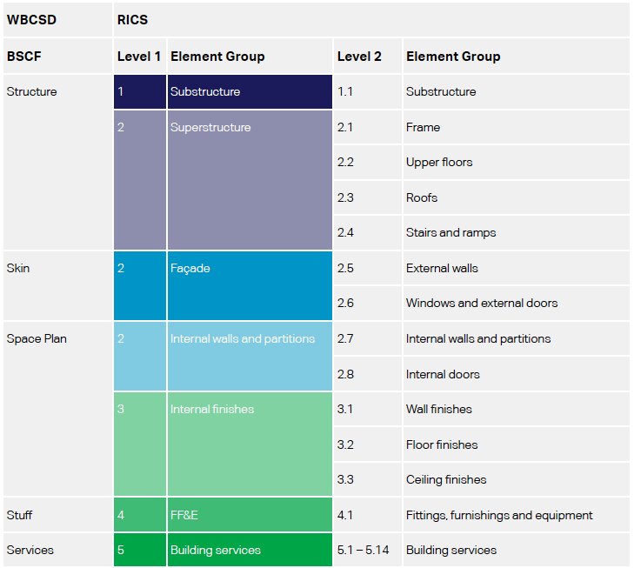
Fill in the detailed Building System Carbon Framework with carbon emission values |  |  |  |  |  |  |  |  |  |  |  | Outputs: |  |  |  |  |  |  | Simplified Building System Carbon Framework

 |  |  |  | BUILDING STAGES |  |  |  |  |  |  |  |  |  |  |  |  |  |  |  |  |  | BUILDING STAGES
 |  |  |  | PRODUCTS | CONSTRUCTION | USE |  | END OF LIFE | EMISSIONS | BEYOND LIFE |  |  |  |  |  |  |  |  |  |  |  | PRODUCTS | CONSTRUCTION | USE |  | END OF LIFE | EMISSIONS | BEYOND LIFE
 |  |  |  | A1-A3 | A4-A5 | B1-B5 | B6-B7 | C | kgCO2-eq/m2 | D |  |  | Embodied carbon at practical completion (A1-A5) | Embodied carbon in use and after end of life (B-C) | Embodied carbon over the life cycle (A-C) | Whole Life Carbon (A-C) | Emissions share |  |  |  |  | A1-A3 | A4-A5 | B1-B5 | B6-B7 | C | kgCO2-eq/m2 | D
 |  | BUILDING LAYERS | Substructure – RICS Level 1 Foundations, lowest floor construction, retaining walls |  |  |  |  |  | 0 |  |  | Substructure | 0 | 0 | 0 | 0 | Embodied Carbon A1-A5 | #DIV/0! |  | BUILDING LAYERS | Structure Foundation, Load-bearing | 0 | 0 | 0 |  | 0 | 0 | 0
 |  |  | Structure – RICS Level 2.1 – 2.4 Frame, floors, roofs and stairs |  |  |  |  |  | 0 |  |  | Superstructure | 0 | 0 | 0 | 0 | Embodied Carbon B-C | #DIV/0! |  |  | Skin Windows, Roof, Insulations | 0 | 0 | 0 |  | 0 | 0 | 0
 |  |  | Skin/Façade – RICS Level 2.5 – 2.6 External walls, windows and doors |  |  |  |  |  | 0 |  |  | Façade | 0 | 0 | 0 | 0 | Operational Carbon | #DIV/0! |  |  | Space Plan Internal finishes | 0 | 0 | 0 |  | 0 | 0 | 0
 |  |  | Space Plan – RICS Level 2.7 – 2.8 Internal walls, partitions and doors |  |  |  |  |  | 0 |  |  | Internal walls and partitions | 0 | 0 | 0 | 0 |  |  |  |  | Services Mechanical, Electrical, Plumbing | 0 | 0 | 0 | 0 | 0 | 0 | 0
 |  |  | Space Plan – RICS Level 3 Internal finishes |  |  |  |  |  | 0 |  |  | Internal finishes | 0 | 0 | 0 | 0 |  |  |  |  | Stuff (optional) Furniture & Appliances | 0 | 0 | 0 |  | 0 | 0 | 0
 |  |  | Stuff – RICS Level 4 Fittings, furnishings and equipment |  |  |  |  |  | 0 |  |  | Fittings, furnishings and equipment | 0 | 0 | 0 | 0 |  |  |  |  | Site emissions Waste, electricity and fuel |  | 0 |  |  |  | 0 | 0
 |  |  | Services – RICS Level 5 Building services |  |  |  |  |  | 0 |  | Embodied carbon | Building Services | 0 | 0 | 0 | 0 |  |  |  |  | Building carbon emissions Embodied and operational | 0 | 0 | 0 | 0 | 0 | 0 | 0
 |  |  | Site emissions (A5) Waste, electricity and fuel |  |  |  |  |  | 0 |  | Operational carbon | Site emissions | 0 |  | 0 | 0 |  |  |  |  | Carbon compensation Removals and offset | 0 | 0 | 0 | 0 | 0 | 0
 |  |  | Building carbon emissions Embodied and operational | 0 | 0 | 0 | 0 | 0 | 0 | 0 | Partial and total sums | Energy and water use |  |  |  | 0
 |  |  | Carbon compensation Removals and offset |  |  |  |  |  |  |  |  | Building carbon emissions | 0 | 0 | 0 | 0
 | Embodied carbon at practical completion (A1-A5)
Substructure | 0
Superstructure | 0
Façade | 0
Internal walls and partitions | 0
Internal finishes | 0
Fittings, furnishings and equipment | 0
Building Services | 0
Site emissions | 0
Energy and water use
 | Embodied carbon in use and after end of life (B-C)
Substructure | 0
Superstructure | 0
Façade | 0
Internal walls and partitions | 0
Internal finishes | 0
Fittings, furnishings and equipment | 0
Building Services | 0
Site emissions
Energy and water use
 | Embodied carbon over the life cycle (A-C)
Substructure | 0
Superstructure | 0
Façade | 0
Internal walls and partitions | 0
Internal finishes | 0
Fittings, furnishings and equipment | 0
Building Services | 0
Site emissions | 0
Energy and water use

0
 | Supporting information
0
0
0
kgCO2-eq/m2
kgCO2-eq/m2
kgCO2-eq/m2
kgCO2-eq/m2
 | Building life cycle, adapted from Figure 6 in EN 15978 |  |  |  |  |  | WBCSD (2020) and RICS (2017) building elements categories

